Procedure
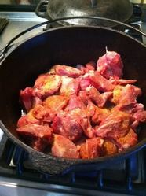
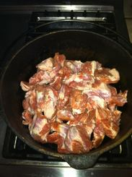
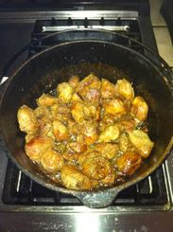
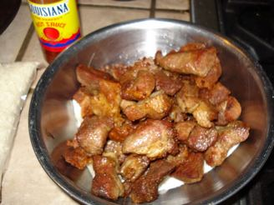
 | Procedure for Cooking Jambalaya

1 | Chop all vegetables. Slice the sausage. Cut the chicken and pork meat into cubes (Try to keep a small piece of fat on each piece of pork as it tenderizes the meat and adds great taste) Season meat pieces well with salt and pepper or your favorite seasoning mix.

2 | Brown the pork down really well in oil. Let it fry till it sticks, then stir. Sometimes a little water is needed to cool off the grease. (This water is not part of the calculated amount of liquid.) Repeat this until the pork is very dark. The sticky part (gratin) on the bottom of the pot will dictate your color of the rice.

3 | You can remove the browned meat from the pot, but many cooks choose to leave the it in while browning the other meats. Add the chicken and brown it well.

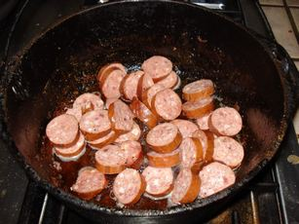
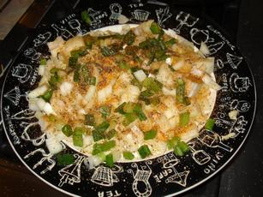
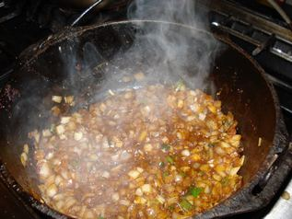
4 | Next, brown the sausage. Don't cook the sausage till fried dark brown because that tends to cooks all the taste out. Just mildly brown it.

5 | Drain the grease but dont lose the gratin. Then add the onions, green pepper, celery and garlic and cook till clear looking. This is when you scrape the bottom of the pot getting all the brown gratin from the pork. This is where the color starts to come in.

6 | After the vegetables are cooked add the meat back to the pot and mix well. Cook all the water out at this time.

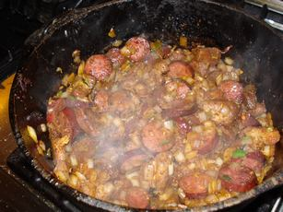
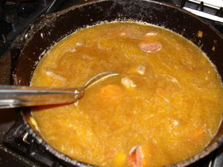
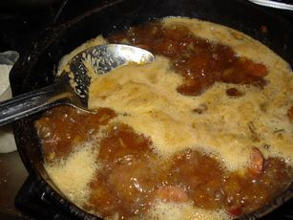
7 | Add water or stock and after it comes to a boil, start tasting the liquid and add salt and other seasonings as needed. It needs to be a bit salty because the rice will absorb much of the saltiness.

8 | Skim the remaining grease off the top. The boiling action will help separate it from the water/broth.

9 | Bring the pot back to a rolling boil then add the rice. Break it up to make sure it doesn't stick to the bottom. Let it boil until it starts to expand and "jump out of the pot". This is a critical step relevant to the "popping" of the rice. Let the rice get noticeably bigger/expanded.. This step needs to be acheived with a HARD boil. Add the green onions and parsley.

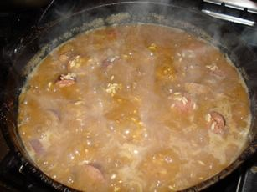
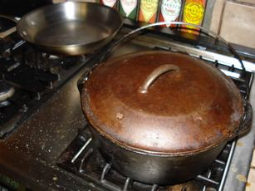
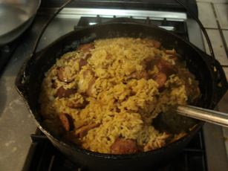
10 | When you think its ready to cover, cut back on the heat to low and put the lid on. Do not lift the cover for any reason!

11 | Let this cook for about 25 minutes or so. (A longer cooking time may be needed for very large volumes of rice.) Then roll the rice. Don't stir. Roll it from bottom to top. (When you turn it this time, don't scrape the bottom of the pot because if you bring up even just one scorched grain of rice could ruin the whole batch.) Re-cover and cut the heat off.

12 | Let sit for another 15 minutes and then uncover and serve.

 | Thanks to pochejp for the recipe guidance and use of his photos.

Pastalaya
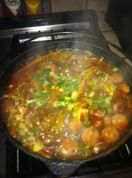
1
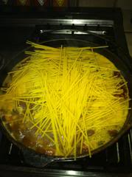
2
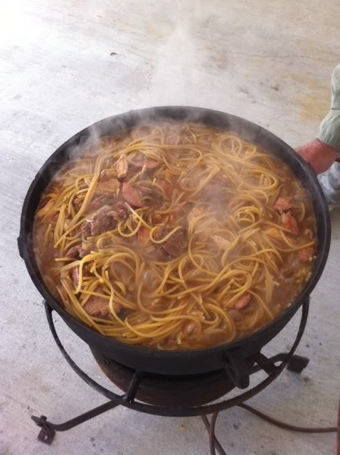
 | Procedure for Pastalaya
1 | The first 6 steps are the same as for jambalaya with rice. Chop all vegetables. Slice the sausage. Cut the pork meat cut into cubes (Try to keep a small piece of fat on each piece as it tenderizes the meat and adds great taste.) Season meat pieces well with salt and pepper or your favorite seasoning mix.

2 | Brown the pork down really well in oil. Let it fry till it sticks, then stir. Do that over and over. Sometimes a little water is needed to cool off the grease. The sticky part (gratin) on the bottom of the pot will dictate your color of the rice.

3 | You can remove the browned meat from the pot, but many cooks choose to leave the it in while browning the other meats. Add the chicken and brown it well.

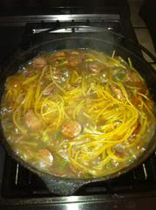
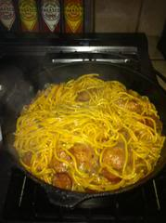
4 | Next, brown the sausage. Don't cook the sausage till fried dark brown because that tends to cooks all the taste out. Just mildly brown it.

5 | Drain the grease but dont lose the gratin. Then add the onions, green pepper, celery and garlic and cook till clear looking. This is when you scrape the bottom of the pot getting all the brown gratin from the pork. This is where the color starts to come in.
3
4
6 | After the vegetables are cooked add the meat back to the pot and mix well. Cook all the water out at this time.

7 | Use the calculator to figure pounds of pasta needed.Just substitute the same weight of pasta instead of the calculated amount of rice. The liquid used should be about 1.25 quarts per pound of pasta. The exact amount will vary between 1 quart per pound of pasta and 1.5 quarts per pound. How much you use will dependi on how soft you like your pasta, what type of pasta you use, and how long you keep the pot covered. | Here is a rather large pastalaya.

8 | Once you get the meat and vegetables cooked down, fill the pot with water according to how many pounds of pasta you intend to use., Skim off any fat or grease. Get it seasoned the way you want it then add pasta. Stir occaisionally to prevent pasta for sticking. The pictures show 1 pound of spaghetti in a 6 gallon pot.

9 | Pasta should start to soften after several minutes of boiling. I boil it around 12 min or so and it should look like this. Notice there is still water showing.

10 | Cover and turn heat to low. Let it sit 20 minutes or so then check it. It should be getting just about right. Taste-test some of the pasta to check its firmness. Cook a little more if needed. If you find the pasts is cooked to your liking, but there is still more water in the pot than you want, you can spoon some of it out. Don't take it all because that cast pot is hot and it will evaporate that water. Also the pasta continues to absorb some moisture as it sits. I like a moist pastalaya. When finished, it should look like the pastalaya in the large picture.

 | Recipe guidance and pictures by Pochejp.

Tips
Jambalaya Tips

Ingredients

Meat Choices Jambalaya can be made from a variety of meats, either fresh or smoked. Fresh meats such as chicken, turkey, pork, sausage, rabbit, squirrel, duck, venison, alligator and other wild game can all be used. For chicken, thighs are best because they retain moisture better than white meat. Smoked meats can be hot or mild smoked pork sausage, andouille, tasso, ham, bacon or home-smoked game.

Pork Temple Meat Many very accomplished jambalaya cooks, especially those around Gonzales, LA, consider pork temple meat the best pork for a jambalaya. It comes from the head area of the pig. It was once considered "trash" meat, but is now highly sought after. Readily available in stores around Gonzales, it's a tasty, dark pork meat. Although it appears to be fairly lean, it will release a sticky, gelatinous substance which browns quickly and easily. This provides the "sticking" needed to insure a good gratin, helping with the brown color of the finished product. After it's browned and then braised during the cooking of the rice, the meat becomes very tender. If you can't find temple meat in your area, Boston butt (pork shoulder) cut into cubes will still be delicious. Try to keep a small piece of fat on each piece as it tenderizes the meat and adds great taste. | 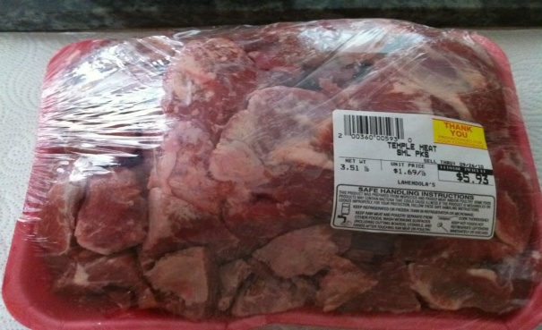

Browning "Gratin" is the name of the brown bits in the bottom of the pot left after browning meat. The word derives from the French word "gratter" meaning "to scrape". It is similar in meaning in this context to the word "fond". Your water should have a deep, dark, rich color prior to adding the rice. If you don't think it is as dark as it should be, you can add a tablespoon of Kitchen Bouquet or tomato paste per pound of rice to the pot. Purists consider this cheating.

Cooking Liquid Jambalaya should be made with stock if possible. For a meat jambalaya, use a chicken or pork stock. For a seafood jambalaya, use a seafood or shrimp stock. Soup base can be a great substitute for stock. Better than Boullion is the best brand of base in my opinion. Chicken, pork, ham, seafood and shrimp flavors are available, but be careful using any base because they can be very salty. | 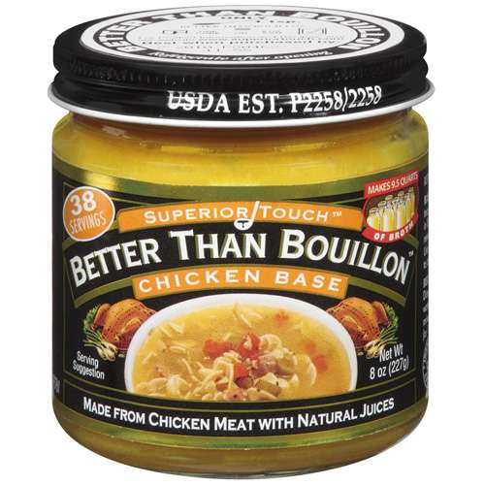

Spices Louisiana food should never be overly hot. It requires a balanced blend of peppers - white, black and red. Pepper in Louisiana food is used for flavor, not heat. Success is when you taste the peppers across the entire tongue - red on the front and center, black on the sides and white pepper deeper back in the throat. The red pepper component can be supplied by ground cayenne or hot sauce (or both). Thyme and oregano are popular spices in jambalaya. Bay leaf is more common in Red Jambalaya.

Rice Choices
Long Grain Rice is the first choice of most cooks for jambalaya. Mahatma is a favorite brand. Long grain rice is about 4 times longer than it is wide and will cook up fluffier, less sticky and drier than short grain. If not overcooked, it separates grain for grain. It will absorb at least as much flavor from the ingredients as short or medium grain. Some chefs like to wash the rice to remove the starch so the rice is even less likely to become sticky and mushy. If your rice turns out mushy, you may need to skim off excess grease after you add the liquid. | 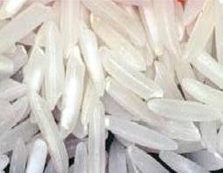

Short Grain Rice is much higher in starch. When cooked, it retains its moisture and remains or sticky. This is why Asians chefs prefer it - because it sticks together, you can use chop sticks to pick it up easier. It can be wonderful in Jambalaya if you want it to be sticky. It will absorb the flavor of the stock nicely while retaining its moisture. The sticky rice will cling and coat your mouth and tongue where all of the taste receptors are located. After eating a few forks of short grain jambalaya the "mouth feel" and flavor will seem to be enhanced | 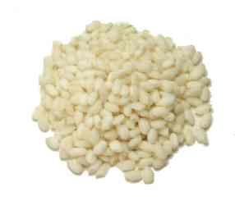

Parboiled Rice, such as Uncle Ben's "Converted" Rice, is unshelled (normally long grain) that is soaked in water and then pressure steamed to tender, then dried. It is not instant rice. NEVER use instant rice! Although it cooks in about the same time as other rice, parboiled rice is much more forgiving to a novice cooking jambalaya. It's just harder to screw it up. It can be cooked soft or hard depending on how much water is used in cooking. | 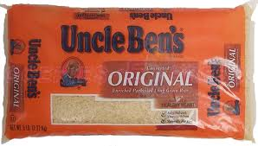
Here are some drawbacks to using parboiled rice:
1) Texture. Most people like a little wetter jambalaya with the grains of rice sticking together. The parboiled stuff, which is more likely to be seen in restaurant jambalaya, cooks a little drier with separate, individual grains - that's OK for some dishes, but usually not desirable for jambalaya.

2) Flavor. Parboiled rice seems to end up as rice with flavor around it, as opposed to rice that has absorbed the flavor inside the grains. Also, some brands have a strong flavor, similar to brown rice, that can ruin an otherwise good jambalaya.

3) No "Pop" It's impossible to get parboiled rice to do a proper "pop". (See the next note for exactly what is meant by the term.)

About the "Pop" Correctly cooked jambalaya rice splits down the length of the grain, which pros refer to as the "pop". Judges in some competition jambalaya cookoffs look for popped grains as a sign of superior jambalaya. To make your rice pop, you must have your stock/water rolling when you add your rice, and your goal is to get it back to a rolling boil quickly once the rice is added. (See the note on burners below to insure you have the proper equipment.) Once it has resumed boiling, you continue to stir the mixture at high heat until the rice starts to absorb the water and the grains swell (your stock will have reduced considerably by this point). | 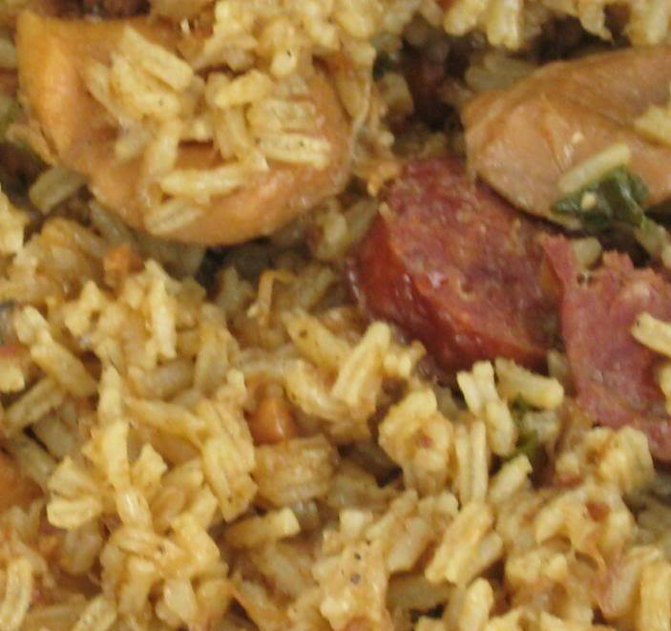

A Questionable Rule of Thumb Some jambalaya cooks figure they need 1 pound of rice per gallon of finished jambalaya, which is fine as an approximation. But then they go on to say there are 2 cups of rice per pound (mistaking ounces of weight for fluid ounces). Then they apply the 2 to 1 liquid to rice ratio using fluid ounces of liquid to weight ounces of rice. In fact, there are really 2.5 cups of long grain rice per pound. What this means is instead of using a 2 to 1 ratio of liquid to rice, they are actually using more like a 1.6 to 1.
Here’s an illustration:
By the rule of thumb, a 5 gallon pot would call for 5 lbs of rice.
2 cups per lb means 10 cups of rice and therefore 20 cups of liquid (using 2 to 1 ratio).
If they used the correct number of cups per lb (2.5) they would have come up with (5 x 2.5) = 12.5 cups of rice calling for 25 cups of liquid.
So, they used 20 cups of liquid for 12.5 cups rice. 20 /12.5 = 1.6-to-1 liquid to rice ratio.
The jambalaya still comes out OK because 1.6 to 1 is within the acceptable ratio range, especially for larger quantities where this rule of thumb is normally used.

Jambalaya Tools

Cooking Pot Jambalaya is best cooked in a cast iron pot. For large batches, there is no substitute. Cast Iron distributes the heat very evenly, and holds the heat after cooking. It is also very easy to clean up. Never try to make a large pot of jambalaya using an aluminum stock pot. The thin aluminum transfers heat so quickly that severely burned the rice is inevitable. | 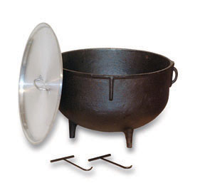

Burners For large (10 gallon & up) jambalaye pots, you'll want a high BTU banjo burner rig, so you can have your water boiling fast and then get it back up to a simmer quickly once you've added your rice. Smaller banjo burners just don't heat the pot fast enough for big batches - and that sets the cook up for failure.

Utensils Some jambalaya cooks use a wooden paddle for jambalaya, but you can introduce bacteria with wood, and you can't scrape the bottom of the pot as thoroughly. Instead, use a stainless steel jambalaya paddle or extra large spoon to insure that the "gratin" and "soccarat" won't burn. "Socarrat" is the name for the rice that gets crunchy and sometimes forms a tasty crust at the bottom of the pot. Many consider it a treat. | 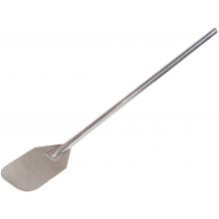

Overflow The jambalaya calculator is very accurate for predicting the fill level of your pot. But if you're going to cook a batch of jambalaya that pushes your pot to the limit of its capacity, keep a towel or 2 around for insurance. You can wrap them around the top in case the lid starts to lift from the expansion of the rice. Overflowing jambalaya is a disaster. It allows heat and steam to escape and can easily ruin your finished product.

Creole or Red Jambalaya

A Creole (Red) Jambalaya is reddish and gets its color from the use of some form of tomato. A Cajun (Brown) Jambalaya, on the other hand, gets its color from the "gratin" that is produced from browning the meats. Shrimp are often found in a Creole Jambalaya. A seafood jambalaya is usually made with shrimp stock, which comes from simmering heads and shells for 30 minutes, or seafood stock, which uses fish scraps and bones. For oysters, be sure to retain the oyster liquid for this purpose. Shrimp, crawfish and other seafood do not need much time cooking, so they should be added just before the lid goes on the pot.

If you want to cook a Creole jambalaya, use fresh Creole tomatoes if they are available. Blanch them first, remove the skin and then chop them finely. Since Creole tomatoes are only available for a short growing period in June and July, canned whole, chopped or stewed tomatoes, tomato sauce, tomato juice or tomato paste are all acceptable substitutes. Count canned tomato product (except for paste) as part of the liquid in the recipe. You can also add paprika for red color and mild flavor.

In a Creole jambalaya, the fresh trinity of onions, celery and bell pepper along with garlic are usually used, cooked until the onions are clear. In a Cajun jambalaya, some cooks leave out the celery and/or bell pepper, and the vegetables are cooked more - until the onions are lightly caramelized and even browned so that they add more color to the dish.

